MATERIAL LIST
ZOI-CP-FM-1201 ZOI Faraday Series Ceiling Pendant For Anesthesia
No. | Nama Bahan Baku | Spesifikasi | Foto Bahan Baku | Jumlah | Satuan Bahan Baku | Produsen | Status
1 | Threaded Rod | Stainles Steel M16 x 300 | 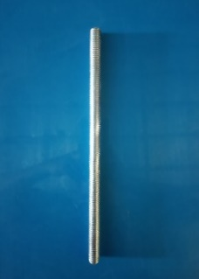 | 6 | pcs | PT. Garuda metalindo | Lokal
2 | Hex Nut | Stainles Steel Ø M16 |  | 12 | pcs | PT. Garuda metalindo | Lokal
3 | Ring | Ø 16 mm |  | 12 | pcs | PT. Garuda metalindo | Lokal
4 | Ring Per | Ø 16 mm |  | 12 | pcs | PT. Garuda metalindo | Lokal
5 | Flange Cover | Material ABS ¢480 mm |  | 1 | pcs | PT Delta Tecno Pacific | Lokal
6 | Flang | Meterial Q235A Steel, 450*450 mm, ¢430 mm | 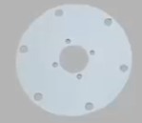 | 1 | pcs | PT. Atmi Mikael Fortuna | Lokal
7 | Inner Flange | Steel 210x168x10 mm | 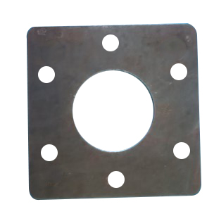 | 1 | pcs | PT. Atmi Mikael Fortuna | Lokal
8 | Electromagnetic Brake | Stainles Steel 24 V Φ 196x79 mm | 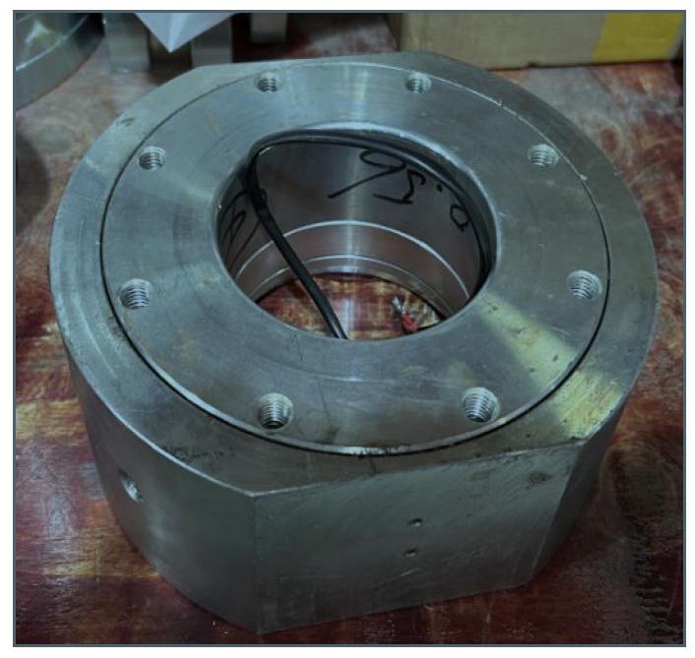 | 2 | pcs | Fepdon(Nanjing) Medical Technology Co., Ltd | Impor
9 | Double Arm | Plastik ABS, Material High Strength Aluminium Alloy, 1100x219x112 mm |  | 1 | Set | Fepdon(Nanjing) Medical Technology Co., Ltd | Impor
10 | Pendant Hanging Pipe | Strength Aluminium Alloy Φ140 |  | 1 | pcs | Fepdon(Nanjing) Medical Technology Co., Ltd | Impor
11 | Function Column Anesthesia | High Strength Aluminium Alloy, Panjang 607mm |  | 1 | pcs | Fepdon(Nanjing) Medical Technology Co., Ltd | Impor
12 | Ventilation Hood | Plastik ABS 445x250x60 mm |  | 1 | pcs | PT Delta Tecno Pacific | Lokal
13 | Equipment Platform | High Strength Aluminium Alloy, 510x450x36 mm | 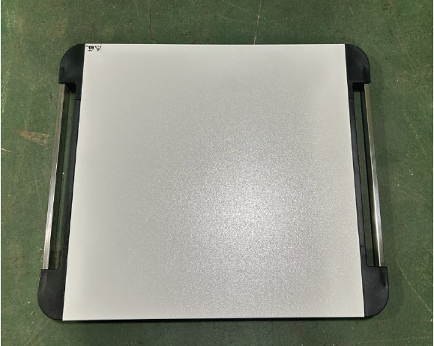 | 1 | pcs | Fepdon(Nanjing) Medical Technology Co., Ltd | Impor
14 | Rak Anesthesia | 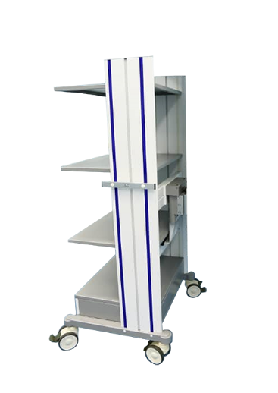 High Strength, Plastik ABS |  | 1 | set | Fepdon(Nanjing) Medical Technology Co., Ltd | Impor
15 | Extension Arm | 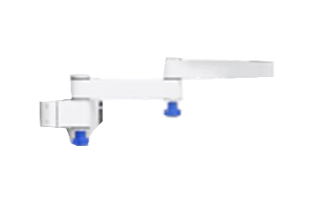 High Strength Aluminium Alloy, 40x35x240 mm + 40x35x240 mm |  | 1 | pcs | Fepdon(Nanjing) Medical Technology Co., Ltd | Impor
16 | IV Hook | Stainless Steel |  | 1 | pcs | PT Cahaya Hasil Cemerlang Multi Manufaktur | Lokal
17 | IV Pole | Stainless Steel, Panjang 1000 + 500 mm |  | 1 | pcs | PT Cahaya Hasil Cemerlang Multi Manufaktur | Lokal
18 | Net Basket | Stainless Steel 200x100x300 mm |  | 1 | pcs | Fepdon(Nanjing) Medical Technology Co., Ltd | Impor
19 | Network Module | Plastik ABS, Tipe Dual Port RJ45 | 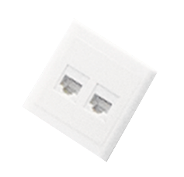 | 1 | pcs | Fepdon(Nanjing) Medical Technology Co., Ltd | Impor
20 | Power Sockets | DIN Standard |  | 6 (custom) | pcs | Fepdon(Nanjing) Medical Technology Co., Ltd | Impor
21 | Gas Outlets | JIS Standard |  | 4~6 (custom) | pcs | Fepdon(Nanjing) Medical Technology Co., Ltd | Impor
22 | Selang Gas | Polyurethane Rubber Φ13 | 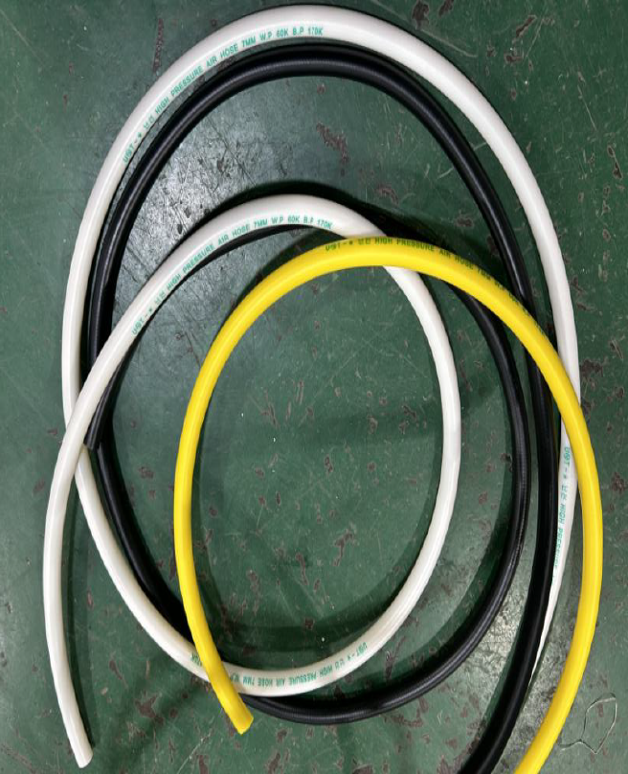 | 1 | set | Fepdon(Nanjing) Medical Technology Co., Ltd | Impor
23 | Petunjuk Penggunaan | Kertas A5 |  | 1 | pcs | PT Cahaya Hasil Cemerlang Multi Manufaktur | Lokal
24 | Wooden Box | Kayu |  | 1 | pcs | PT Cahaya Hasil Cemerlang Multi Manufaktur | Lokal
25 | Bubble Wrap | Plastik | 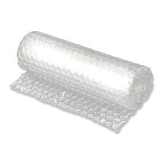 | 1 | set | PT Cahaya Hasil Cemerlang Multi Manufaktur | Lokal
26 | Stiker QC Pass | Vinyl |  | 1 | pcs | PT Cahaya Hasil Cemerlang Multi Manufaktur | Lokal
27 | Label | Vinyl |  | 1 | pcs | PT Cahaya Hasil Cemerlang Multi Manufaktur | Lokal

